470M
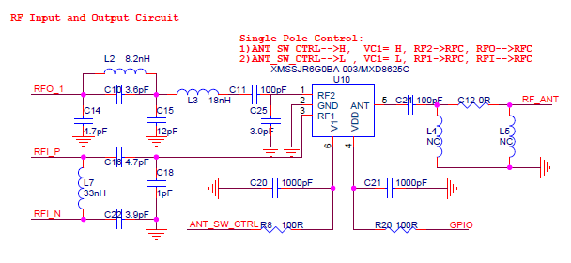
470M default Matching |  |  | TXOPT_22dBm_HarmonicOpt Itot=94mA |  |  | TXOPT_22dBm_PowerMaxOpt Itot=106mA |  |  | TXOPT_17dBm Itot = 52mA

REF | Type | Value | REF | Type | Value | REF | Type | Value | REF | Type | Value
C5 | C | 47nF | C5 | C | 47nF | C5 | C | 47nF | C5 | C | 47nF
C6 | C | 82pF | C6 | C | 82pF | C6 | C | 82pF | C6 | C | 82pF
C7 | C | NC | C7 | C | NC | C7 | C | NC | C7 | C | NC
L1 | L | 56nH | L1 | L | 56nH | L1 | L | 56nH | L1 | L | 18nH
R4 | R | 0R | R4 | R | 0R | R4 | R | 0R | R4 | R | 0R
C31 | C | 0R | C31 | R | 0R | C31 | R | 0R | C31 | R | 0R
L2 | L | 8.2nH | L2 | L | 10nH | L2 | L | 8.2nH | L2 | L | 12nH
C10 | C | 3.6pF | C10 | C | 2.7pF | C10 | C | 3.6pF | C10 | C | 2.7pF
C14 | C | 4.7pF | C14 | C | NC | C14 | C | 5pF | C14 | C | NC
C15 | C | 12pF | C15 | C | 15pF | C15 | C | 15pF | C15 | C | 10pF
L3 | L | 18nH | L3 | L | 18nH | L3 | L | 18nH | L3 | L | 18nH
C11 | C | 100pF | C11 | C | 82pF | C11 | C | 82pF | C11 | C | 56pF
C25 | C | 3.9pF | C25 | C | 8.2pF | C25 | C | 8.2pF | C25 | C | 8.2pF
C24 | C | 100pF | C24 | C | 100pF | C24 | C | 100pF | C24 | C | 100pF
L4 | C | NC | L4 | C | NC | L4 | C | NC | L4 | C | NC
C12 | R | 0R | C12 | R | 0R | C12 | R | 0R | C12 | R | 0R
L5 | C | NC | L5 | C | NC | L5 | C | NC | L5 | C | NC
C16 | C | 4.7pF | C16 | C | 4.7pF | C16 | C | 4.7pF | C16 | C | 4.7pF
C18 | C | 1pF | C18 | C | 1pF | C18 | C | 1pF | C18 | C | 1pF
L7 | L | 33nH | L7 | L | 33nH | L7 | L | 33nH | L7 | L | 33nH
C22 | C | 3.9pF | C22 | C | 3.9pF | C22 | C | 3.9pF | C22 | C | 3.9pF

Note: 1)REF仅仅是代表RLC元器件的位置，不一定表示该元件是电容，电阻或者电感。 2）Type表示元器件的属性，是电容，电阻还是电感。Value表示对应属性元件的值。 3）上述matching 参数是基于ASR LoRa Board测试的，对客户自行设计的板子。由于采用的物料不同，已经PCB板寄生参数不同，Matching参数略有差异。 |  |  |  |  |  | Note:1)ASR6501 DemoModule 和ASR6502 DemoModule RFI和RFO的电路是一样的，且RF匹配网络的器件的标号一致，可以通用。

 | ASR6501 DemoModule Schemtic |  |  |  |  |  | ASR6501 DemoModule Layout

 |  |  |  |  |  | 